Sheet1
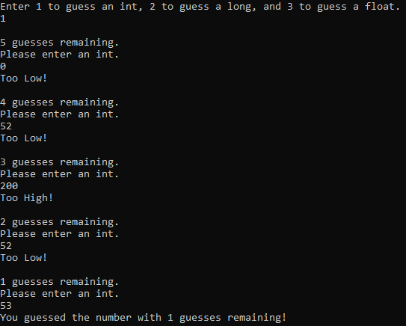
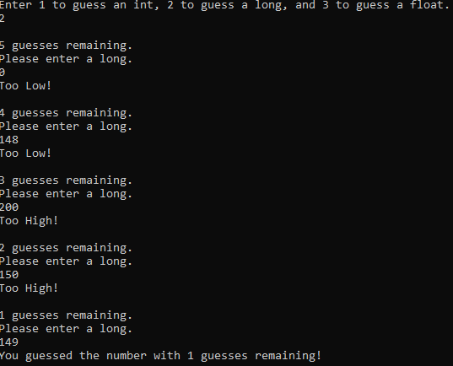

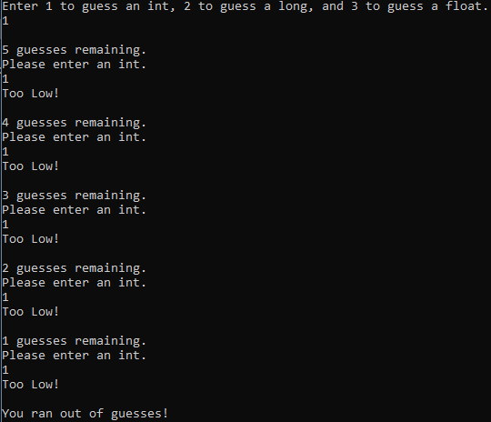
Test | Expected Behavior | Tested Behavior
Run out of guesses | The program ends | The program ends
Test an int with value of 0 | Too Low! | Too Low!
Test an int with value of 52 | Too Low! | Too Low!
Test an int with value of 200 | Too High! | Too High!
Test an int with value of 54 | Too High! | Too High!
Test an int with value of 53 | Correct Answer | Correct Answer
Test a long with a value of 0 | Too Low! | Too Low!
Test a long with a value of 148 | Too Low! | Too Low!
Test a long with a value of 200 | Too High! | Too High!
Test a long with a value of 150 | Too High! | Too High!
Test a long with a value of 149 | Correct Answer | Correct Answer
Test a float with a value of 0 | Too Low! | Too Low!
Test a float with a value of 16.6 | Too Low! | Too Low!
Test a float with a value of 200 | Too High! | Too High!
Test a float with a value of 16.8 | Too High! | Too High!
Test a float with a value of 16.7 | Correct Answer | Correct Answer

